Blad1
 | Bekijk Cayley diagram per generator (show these arrows optie)

Generator a | (opqrstu)(hijklmn)(abcdefg) | bv Generator a
Generator b | (gmr)(fku)(eiq)(dnt)(clp)(bjs)(aho)
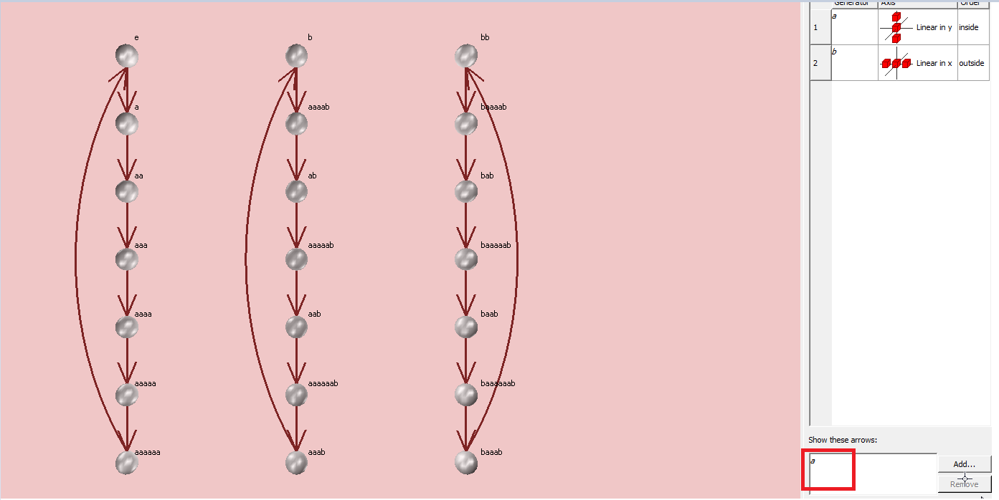
 | a ⇨ (opqrstu)(hijklmn)(abcdefg)
 | a2 ⇨ (oqsuprt)(hjlnikm)(acegbdf)
 | a4 ⇨ (osptqur)(hlimjnk)(aebfcgd)

 | a3 ⇨ (oruqtps)(hknjmil)(adgcfbe)
 | a5 ⇨ (otrpusq)(hmkinlj)(afdbgec)
 | a6 ⇨ (outsrqp)(hnmlkji)(agfedcb)

 | b ⇨ (gmr)(fku)(eiq)(dnt)(clp)(bjs)(aho)
 | ab ⇨ (ghq)(fmt)(ekp)(dis)(cno)(blr)(aju)
 | a2b ⇨ (gjp)(fhs)(emo)(dkr)(ciu)(bnq)(alt)
 | a3b ⇨ (glo)(fjr)(ehu)(dmq)(ckt)(bip)(ans)
 | a4b ⇨ (gnu)(flq)(ejt)(dhp)(cms)(bko)(air)
 | a5b ⇨ (git)(fnp)(els)(djo)(chr)(bmu)(akq)
 | a6b ⇨ (gks)(fio)(enr)(dlu)(cjq)(bht)(amp)

 | b² ⇨ (grm)(fuk)(eqi)(dtn)(cpl)(bsj)(aoh)
 | bab ⇨ (gti)(fpn)(esl)(doj)(crh)(bum)(aqk)
 | ba2b ⇨ (gol)(frj)(euh)(dqm)(ctk)(bpi)(asn)
 | ba3b ⇨ (gqh)(ftm)(epk)(dsi)(con)(brl)(auj)
 | ba4b ⇨ (gsk)(foi)(ern)(dul)(cqj)(bth)(apm)
 | ba5b ⇨ (gun)(fql)(etj)(dph)(csm)(bok)(ari)
 | ba6b ⇨ (gpj)(fsh)(eom)(drk)(cui)(bqn)(atl)

